grain size analysis
 |  |  |  |  |  |  |  |  |  | * grain-size distribution of bed material (2010)

 |  |  |  |  |  |  |  |  |  | particle size time | D35(mm) | D50(mm) | D65(mm) | D90(mm) | 균등계수 Coefficient of uniformity (Cu) | 곡률계수 Coefficient of curvature (Cg)
 |  |  |  |  |  |  |  |  |  | 평균 (mean) | 0.92 | 1.16 | 1.58 | 3.29 | 2.77 | 0.94
before the flood (2010)
after the flood (2010)
mean
percent passing(%)
particle size (mm)

 |  |  |  |  |  |  |  |  |  | * grain-size distribution of bed material (2011)

 |  |  |  |  |  |  |  |  |  | particle size time | D35(mm) | D50(mm) | D65(mm) | D90(mm) | 균등계수 Coefficient of uniformity (Cu) | 곡률계수 Coefficient of curvature (Cg)
 |  |  |  |  |  |  |  |  |  | 평균 (mean) | 0.84 | 1.04 | 1.28 | 2.06 | 2.26 | 0.99

before the flood (2011)
after the flood (2011)
mean
percent passing(%)
particle size (mm)

* particle size distribution of suspended sediment (2012) |  |  |  |  |  |  |  |  |  | * grain-size distribution of bed material (2012)

No | particle size distribution of suspended sediment (%) |  |  |  |  |  |  |  |  | particle size time | D10 | D30 | D35 | D60 | D65 | 균등계수 Coefficient of uniformity (Cu) | 곡률계수 Coefficient of curvature (Cg)
 | range (mm) |  |  |  |  |  |  |  | sum | 홍수전 (before the flood) | 0.22 | 3.45 | 7.72 | 11.46 | 11.99 | 3.32 | 4.71
 | 0.0020~ | 0.0222~ | 0.0313~ | 0.0423~ | 0.0626~ | 0.1251~ | 0.2501~ | 0.5001~ |  | 홍수후(after the flood ) | 0.79 | 2.59 | 3.78 | 7.59 | 8.53 | 2.93 | 1.12
 | 0.0221 | 0.0312 | 0.0422 | 0.0625 | 0.125 | 0.25 | 0.5 | 1 |  | 평균 (mean) | 0.53 | 3.06 | 4.27 | 9.86 | 10.66 | 3.23 | 1.78
1 | 45.6 | 28.6 | 21.6 | 0.9 | 2.5 | 0.5 | 0.3 | 0 | 100 | particle size time | D5 | D10 | D15 | D20 | D25 | D30 | D35 | D40 | D45 | D50 | D55 | D60 | D65 | D70 | D75 | D80 | D85 | D90 | D95 | D100
2 | 41.2 | 28.4 | 22.3 | 4.1 | 2.9 | 0.7 | 0.3 | 0.1 | 100 | 홍수전 (before the flood) | 0.10 | 0.22 | 0.48 | 0.61 | 2.00 | 3.45 | 7.72 | 8.53 | 9.33 | 10.13 | 10.66 | 11.46 | 11.99 | 12.52 | 13.05 | 13.59 | 14.12 | 14.65 | 15.18 | 16.00
3 | 45.3 | 18.5 | 25.8 | 6.4 | 4 | 0 | 0 | 0 | 100 | 홍수후 (after the flood ) | 0.58 | 0.79 | 1.03 | 1.40 | 1.76 | 2.59 | 3.78 | 4.80 | 5.60 | 6.26 | 6.93 | 7.59 | 8.53 | 9.86 | 10.66 | 11.99 | 12.79 | 13.85 | 14.92 | 16.00
4 | 46.8 | 16.8 | 25 | 6.7 | 4.3 | 0.1 | 0.2 | 0.1 | 100 | 평균 (mean) | 0.21 | 0.53 | 0.79 | 1.10 | 1.66 | 3.06 | 4.27 | 6.13 | 7.06 | 8.00 | 9.06 | 9.86 | 10.66 | 11.46 | 12.52 | 13.05 | 13.59 | 14.38 | 15.18 | 16.00
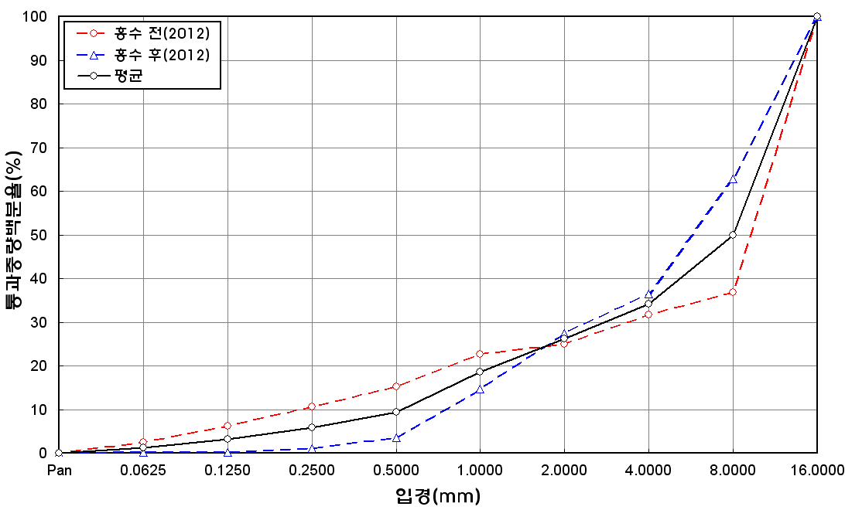
percent passing(%)
mean
particle size (mm)
before the flood (2012)
after the flood (2012)
5 | 46.2 | 15.5 | 22.6 | 10.1 | 5.2 | 0.2 | 0.2 | 0 | 100
6 | 45 | 16.5 | 25.1 | 8.5 | 4.6 | 0 | 0.2 | 0.1 | 100
7 | 45.2 | 17.2 | 23 | 8.7 | 4.5 | 0.7 | 0.4 | 0.3 | 100
8 | 44.9 | 16 | 23.6 | 11.1 | 3.5 | 0.4 | 0.3 | 0.2 | 100
9 | 45.3 | 15.1 | 22.8 | 9.8 | 5 | 1.2 | 0.6 | 0.2 | 100
10 | 44.4 | 16.9 | 23.7 | 9.6 | 4.2 | 0.8 | 0.3 | 0.1 | 100
11 | 45.9 | 16.6 | 24.7 | 8.4 | 3.3 | 0.5 | 0.5 | 0.1 | 100
12 | 44.2 | 16.6 | 26.3 | 7.3 | 4.3 | 0.5 | 0.5 | 0.3 | 100
13 | 45.4 | 17.1 | 23.7 | 8 | 4.8 | 0.5 | 0.4 | 0.1 | 100
14 | 44.8 | 15.7 | 24.9 | 8.2 | 5.3 | 0.5 | 0.6 | 0 | 100
15 | 44.1 | 14.6 | 23.3 | 12.4 | 4.8 | 0.5 | 0.2 | 0.1 | 100
16 | 45.7 | 17.8 | 26 | 5.4 | 2.9 | 1.2 | 0.8 | 0.2 | 100
min | 41.2 | 14.6 | 21.6 | 0.9 | 2.5 | 0 | 0 | 0 | -
max | 46.8 | 28.6 | 26.3 | 12.4 | 5.3 | 1.2 | 0.8 | 0.3 | -
mean | 45 | 18 | 24 | 7.9 | 4.1 | 0.5 | 0.4 | 0.1 | 100

